Case #1
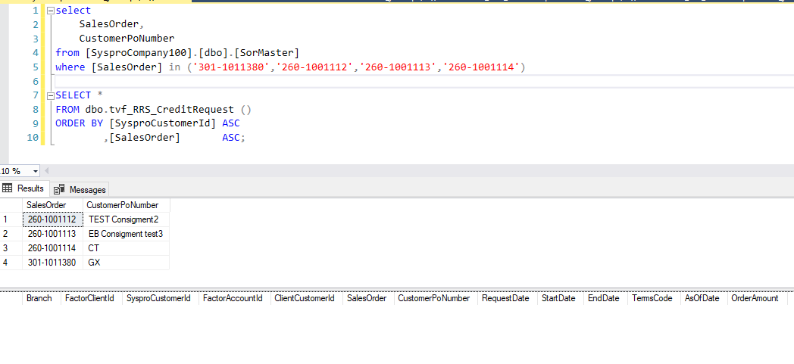
Justin Pope Dev Test
Test Case No. | 1
Process | Test tvf_RRS_CreditRequest excludes pos with terms specified.
Test Consideration | 1) SQL Server Management Studio
Test Condition |  | Data Used | How To Verify | Actual Results
Tasks
1 | Update Order Customer Po Number | 1) Original Data 2) Sales Order: 301-1011380 Customer PO with GX prefix 3) Sales Order: 260-1001112 Customer PO with TEST prefix 4) Sales Order: 260-1001113 Customer PO with EB prefix 5) Sales Order: 260-1001114 Customer PO with CT prefix | query database | Results below
Configuration/Data Setup for Testing Scenario
1 | Script in SQL Server Management Studio
2 | Edits in Syspro
Verification

Test Cast Screens Shots Before and After

 | 1) Original

 | 2) Orders updated with exclusions

Case #2
Justin Pope Dev Test
Test Case No. | 2
Process | Test tvf_CIT_CreditRequest excludes pos with terms specified.
Test Consideration | 1) SQL Server Management Studio
Test Condition |  | Data Used | How To Verify | Actual Results
Tasks
1 | Update Order Customer Po Number | 1) Original Data Sales Order: 200-1070098 2) Customer PO with GX prefix 3) Customer PO with TEST prefix 4) Customer PO with EB prefix 5) Customer PO with CT prefix | query database | Results below
Configuration/Data Setup for Testing Scenario
1 | Script in SQL Server Management Studio
2 | Edits in Syspro
Verification

Test Cast Screens Shots Before and After

 | 1) Original

 | 2) CustomerPoNumber with GX prefix
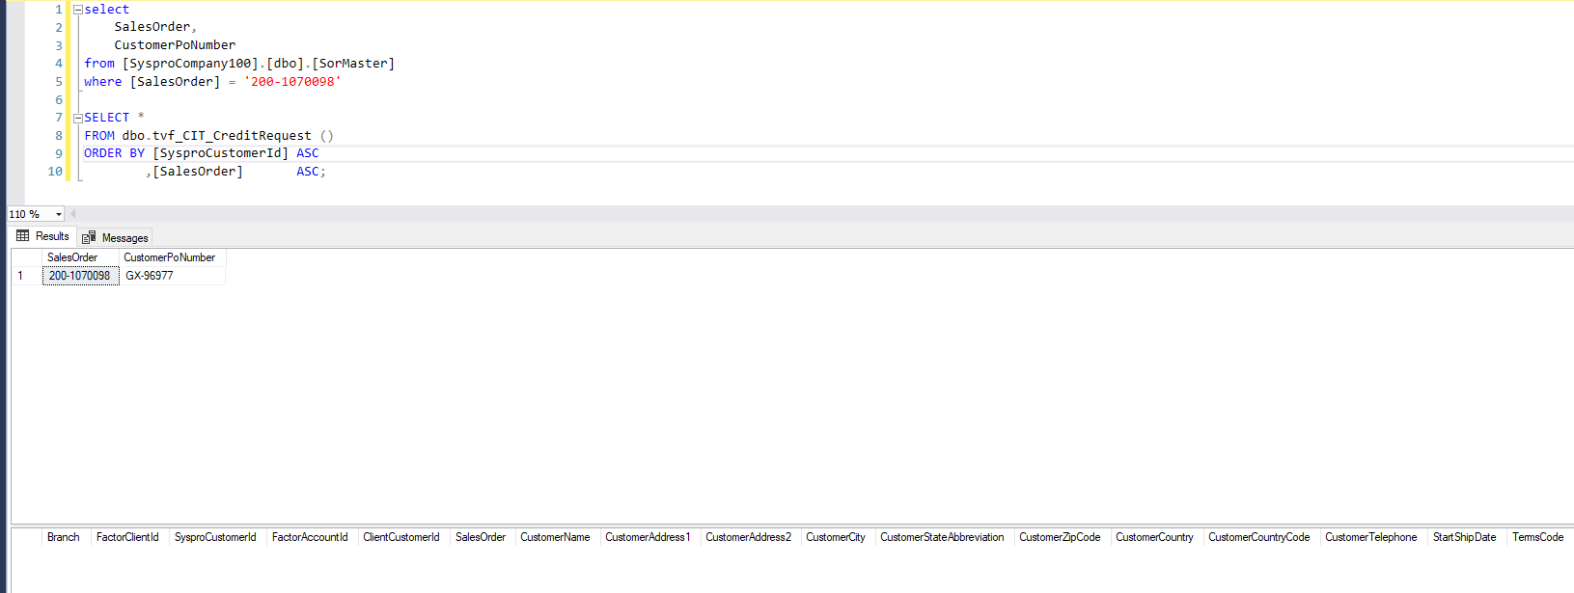

 | 3) CustomerPoNumber with TEST prefix

 | 4) CustomerPoNumber with EB prefix

 | 5) CustomerPoNumber with CT prefix

